GD square RMP
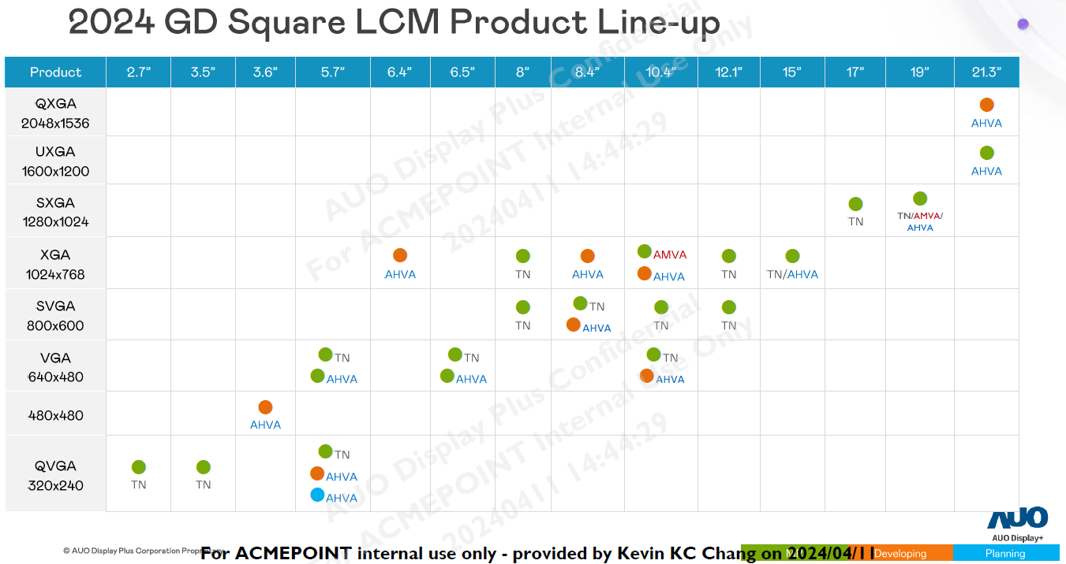
Resolution_N | Resolution_X | Resolution_Y | Size | Panel Type | PPI | Remark
QVGA | 320 | 240 | 2.7 | TN | 148
QVGA | 320 | 240 | 3.5 | TN | 114
Square | 480 | 480 | 3.6 | AHVA | 189
QVGA | 320 | 240 | 5.7 | TN | 70
QVGA | 320 | 240 | 5.7 | AHVA | 70 | 2 model
VGA | 640 | 480 | 5.7 | TN | 140
VGA | 640 | 480 | 5.7 | AHVA | 140
XGA | 1024 | 768 | 6.4 | AHVA | 200
VGA | 640 | 480 | 6.5 | AHVA | 123
VGA | 640 | 480 | 6.5 | TN | 123
SVGA | 800 | 600 | 8 | TN | 125
XGA | 1024 | 768 | 8 | TN | 160
SVGA | 800 | 600 | 8.4 | TN | 119
SVGA | 800 | 600 | 8.4 | AHVA | 119
XGA | 1024 | 768 | 8.4 | AHVA | 152
VGA | 640 | 480 | 10.4 | TN | 77
VGA | 640 | 480 | 10.4 | AHVA | 77
SVGA | 800 | 600 | 10.4 | TN | 96
XGA | 1024 | 768 | 10.4 | AHVA | 123
XGA | 1024 | 768 | 10.4 | AMVA | 123
SVGA | 800 | 600 | 12.1 | TN | 83
XGA | 1024 | 768 | 12.1 | TN | 106
XGA | 1024 | 768 | 15 | TN | 85
XGA | 1024 | 768 | 15 | AHVA | 85
SXGA | 1280 | 1024 | 17 | TN | 96
SXGA | 1280 | 1024 | 19 | TN | 86
SXGA | 1280 | 1024 | 19 | AMVA | 86
SXGA | 1280 | 1024 | 19 | AHVA | 86
UXGA | 1600 | 1200 | 21.3 | AHVA | 94
QXGA | 2048 | 1536 | 21.3 | AHVA | 120

GD wide RMP
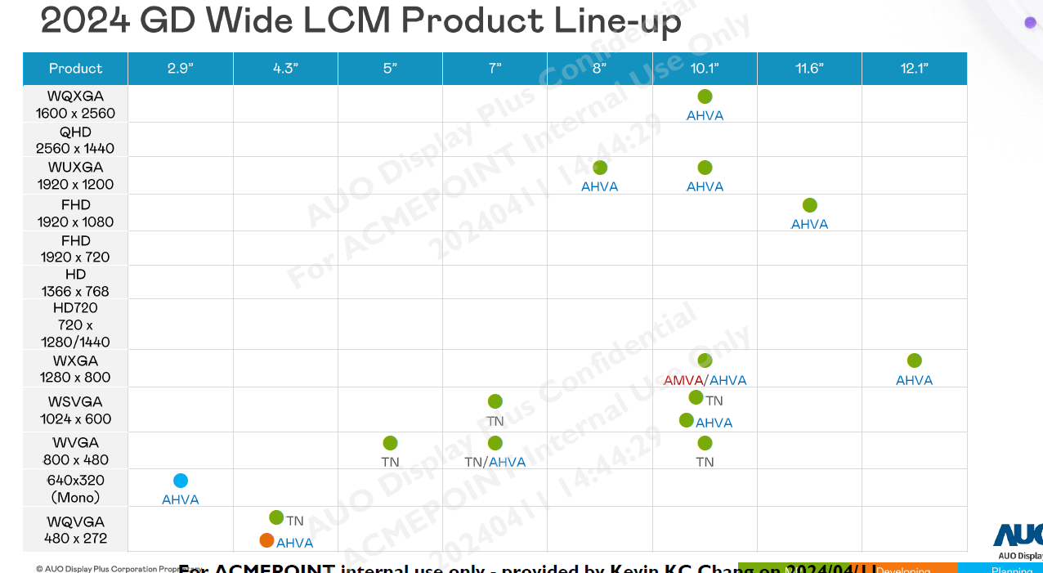
Resolution_N | Resolution_X | Resolution_Y | Size | Panel Type | PPI | Remark
Mono | 640 | 320 | 2.9 | AHVA | 247 | Mono
WQVGA | 480 | 272 | 4.3 | TN | 128
WQVGA | 480 | 272 | 4.3 | AHVA | 128
WVGA | 800 | 480 | 5 | TN | 187
WVGA | 800 | 480 | 7 | TN | 133
WVGA | 800 | 480 | 7 | AHVA | 133
WSVGA | 1024 | 600 | 7 | TN | 170
WUXGA | 1920 | 1200 | 8 | AHVA | 283
WVGA | 800 | 480 | 10.1 | TN | 92
WSVGA | 1024 | 600 | 10.1 | TN | 118
WSVGA | 1024 | 600 | 10.1 | AHVA | 118
WXGA | 1280 | 800 | 10.1 | AHVA | 149
WXGA | 1280 | 800 | 10.1 | AMVA | 149
WUXGA | 1920 | 1200 | 10.1 | AHVA | 224
WQXGA | 1600 | 2560 | 10.1 | AHVA | 299
FHD | 1920 | 1080 | 11.6 | AHVA | 190
WXGA | 1280 | 800 | 12.1 | AHVA | 125
HD | 1366 | 768 | 13.3 | TN | 118
FHD | 1920 | 1080 | 13.3 | AHVA | 166
HD | 1366 | 768 | 14 | TN | 112
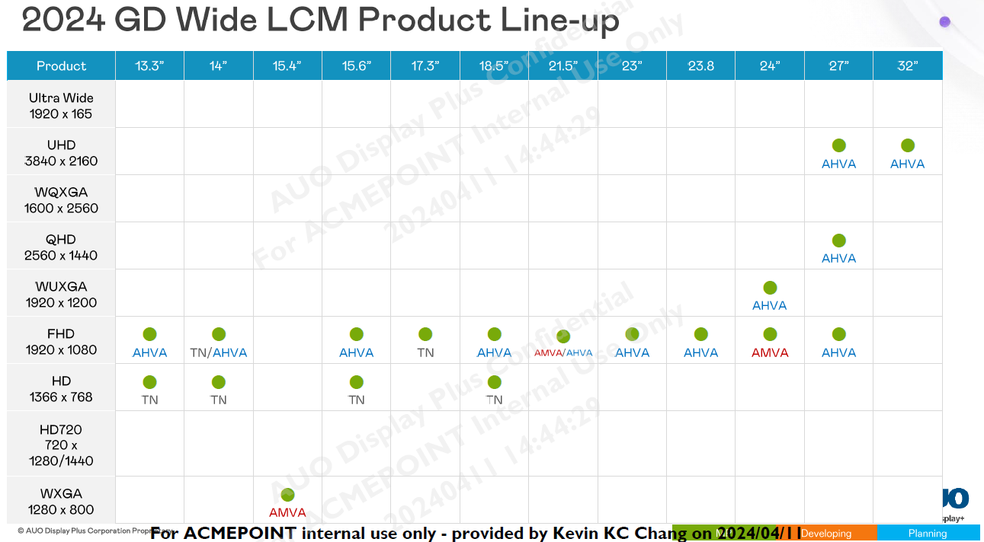
FHD | 1920 | 1080 | 14 | TN | 157
FHD | 1920 | 1080 | 14 | AHVA | 157
WXGA | 1280 | 800 | 15.4 | AMVA | 98
HD | 1366 | 768 | 15.6 | TN | 100
FHD | 1920 | 1080 | 15.6 | AHVA | 141
FHD | 1920 | 1080 | 17.3 | TN | 127
HD | 1366 | 768 | 18.5 | TN | 85
FHD | 1920 | 1080 | 18.5 | AHVA | 119
FHD | 1920 | 1080 | 21.5 | AHVA | 102
FHD | 1920 | 1080 | 21.5 | AMVA | 102
FHD | 1920 | 1080 | 23 | AHVA | 96
FHD | 1920 | 1080 | 23.8 | AHVA | 93
FHD | 1920 | 1080 | 24 | AMVA | 92
WUXGA | 1920 | 1200 | 24 | AHVA | 94
FHD | 1920 | 1080 | 27 | AHVA | 82
QHD | 2560 | 1440 | 27 | AHVA | 109
UHD | 3840 | 2160 | 27 | AHVA | 163
UHD | 3840 | 2160 | 32 | AHVA | 138

GD P-Cap
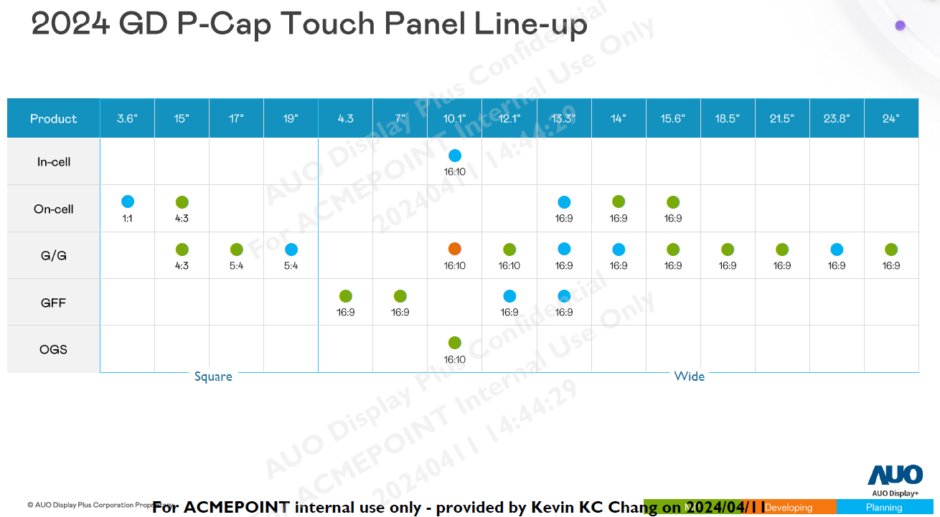

GD TP RMP
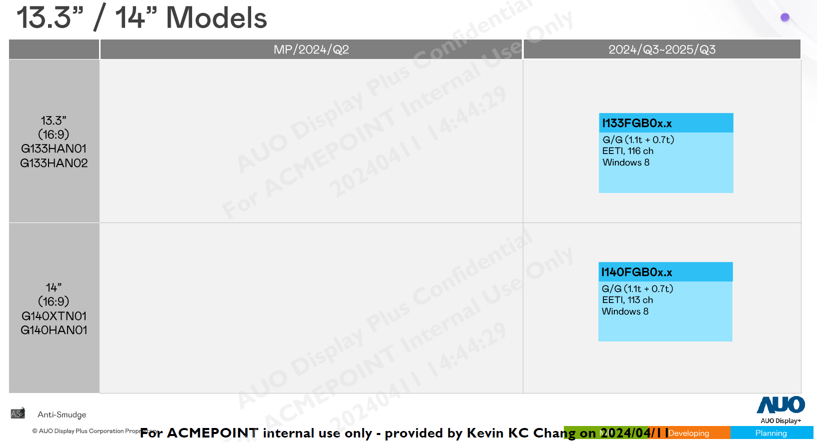
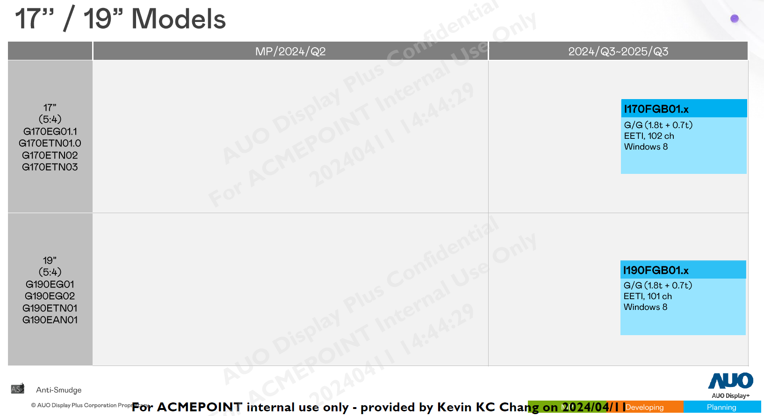
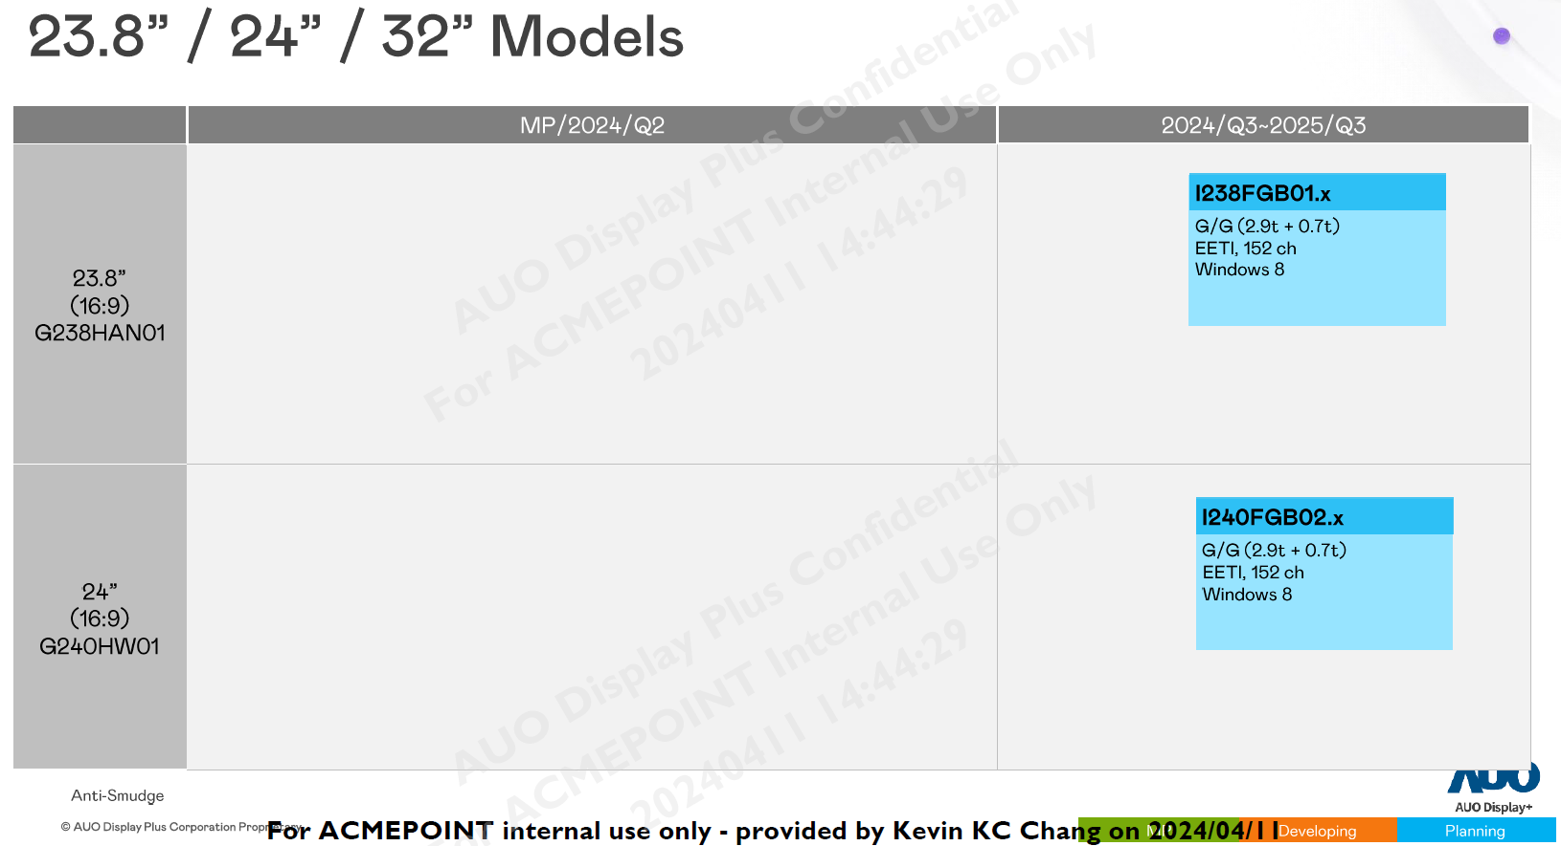

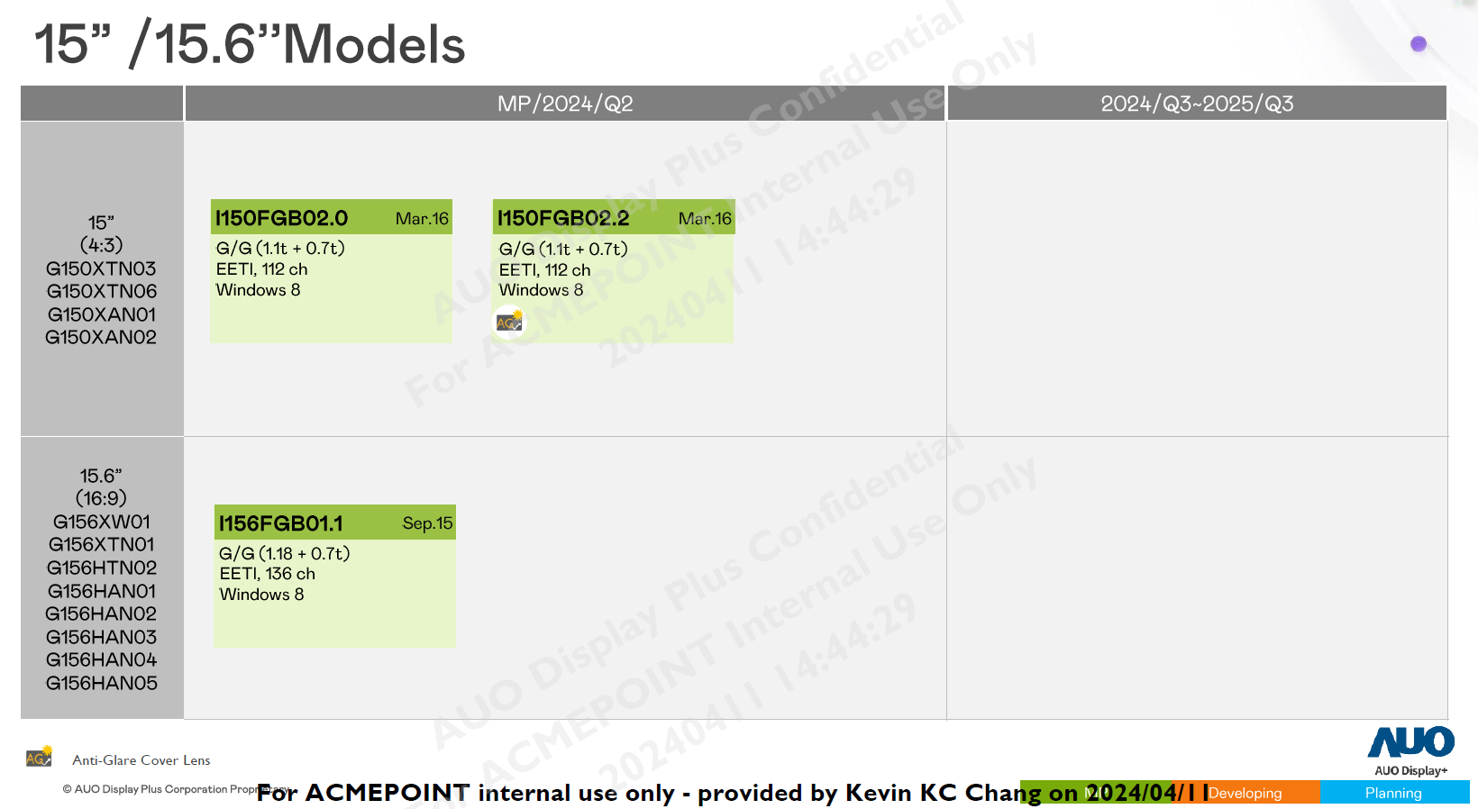
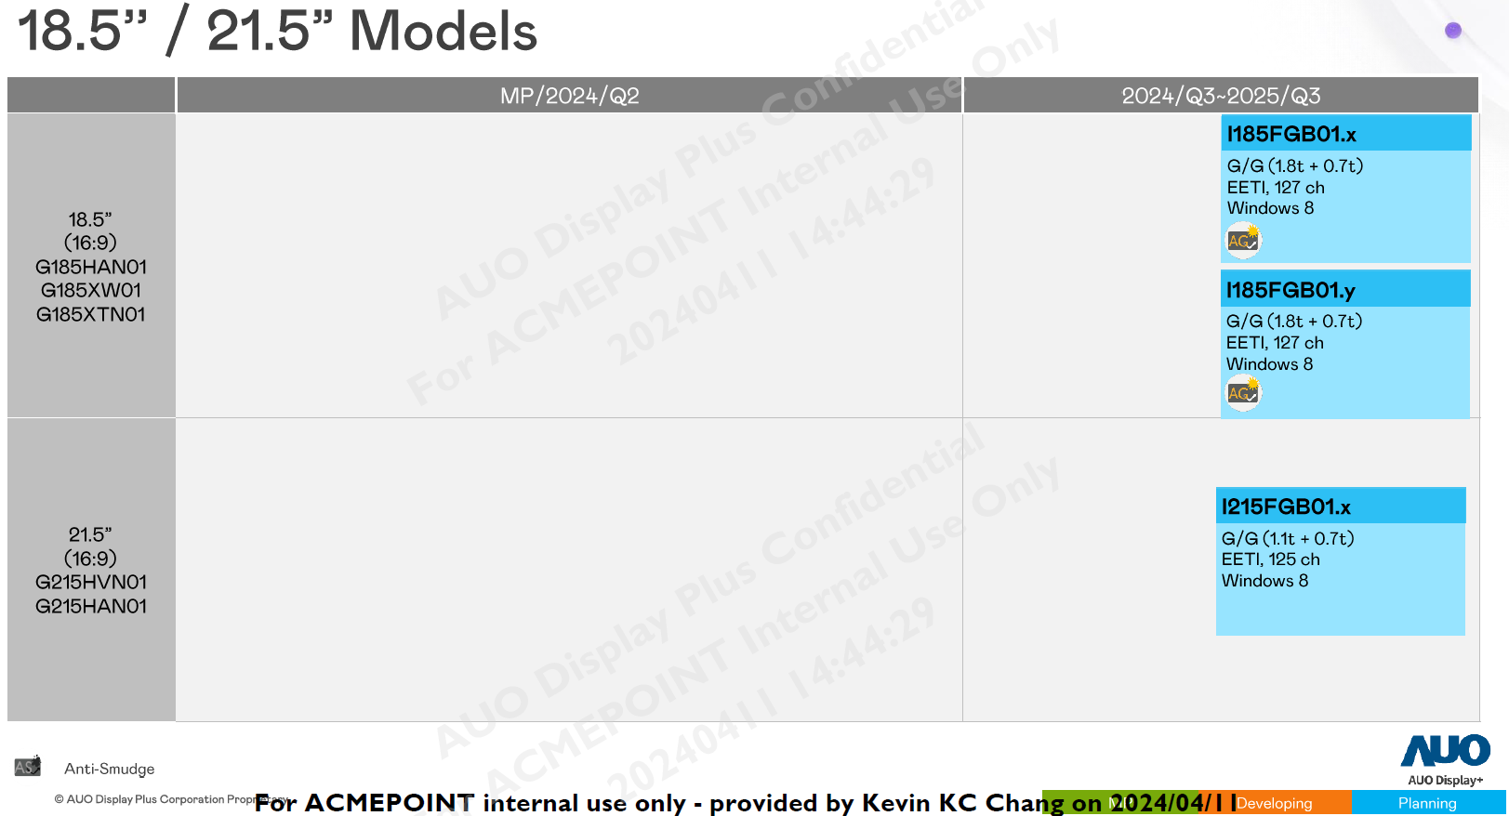

PD ECO Lineup

Outdoor
Resolution_N | Resolution_X | Resolution_Y | AR | Size | Brightness | BLU Power | Status
FHD |  |  | 16:9 | 32 | 2500 | 91 | MP
FHD |  |  | 16:9 | 32 | 1500 | 60 | MP
FHD |  |  | 16:9 | 43 | 2500 | 135 | MP
FHD |  |  | 16:9 | 43 | 1500 | 135 | Apr'24
FHD |  |  | 16:9 | 46 | 2500 | 135 | Q2'25
FHD |  |  | 16:9 | 55 | 2500 | 198 | Q2'25
FHD |  |  | 16:9 | 65 | 2500 | 318 | MP
 | 1920 | 540 | 32:9 | 37 | 2500 | 88 | MP
 | 1920 | 540 | 32:9 | 49.5 | 2500 | 107 | MP
 | 1920 | 540 | 32:9 | 49.5 | 2500 | 88 | MP
 | 3840 | 1080 | 32:9 | 58.4 | 2500 | 218 | Jun'24

Indoor
Resolution_N | Resolution_X | Resolution_Y | AR | Size | Brightness | AA | Status
 | 3840 | 2160 | 16:9 | 43 | 500 | 941.2 * 529.4 | Dec'24
 | 3840 | 2160 | 16:9 | 55 | 500 | 1209.6 * 680.4 | Dec'24
 | 1920 | 1920 | 1:1 | 39.8 | 500 | 714.2 * 714.2 | Dec'24
 | 5120 | 1440 | 32:9 | 58.6 | 500 | 1431.7 * 402.7 | Q1'25

